FIX SAU PT
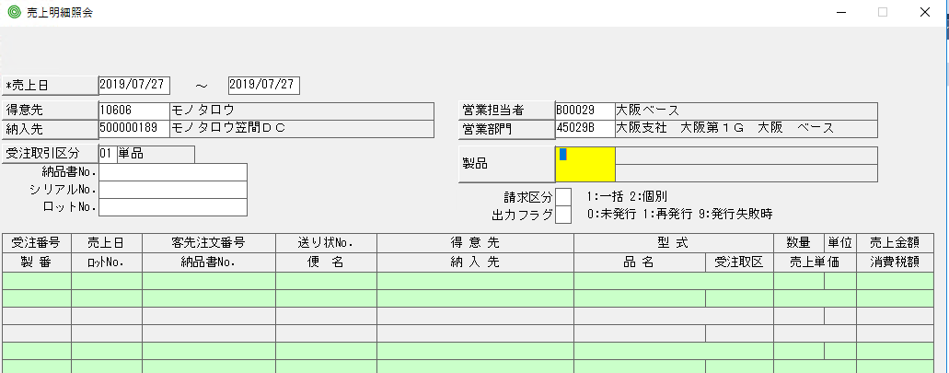
TRONG F4 IN

2020/02/17 ADD START SBA) THACH
If CP_SSSMAIN(PP_SSSMAIN.Px).StatusC = Cn_Status1 Then
Call AE_SetCheck_SSSMAIN(AE_Val2(CP_SSSMAIN(PP_SSSMAIN.Px)), Cn_Status6, True)
End If
Call AE_RecalcAll_SSSMAIN()
If AE_CompleteCheck_SSSMAIN(0) <> 0 Then
Call AE_CursorSub_SSSMAIN(Cn_CuInCompletePx)
Exit Sub
End If
2020/02/17 ADD E N D SBA) THACH

URIDL51 | note

